1. Title Page
[Instacart Basket Analysis]

Project Name: Instacart Basket Analysis
Date: 7/18/2024
Analyst Name: Robert Linker

Contents:
Population Flow
Consistency checks
Wrangling steps
Column derivations
Visualizations
Recommendations

2. Population Flow
Title page

Population flow

Exclusion flag
Condition: max_order <
Obervations to be removed:
Final total count of order_products_all:

Orders_products_combined
Orders_products_merged
Orders_products_all

Total: 19444665
Total: 19424665
Total: 19444665

1.) The grey boxes in the first row of the population flow represent the original data sets as they were when you downloaded them. In the Total fields you need to add the count of the rows when you imported the data set into Jupyter.
2.) The second row of boxes (coloured) represents the data sets after you manipulated them, e.g., removed missing values and duplicates. In the Total fields you need to add the count of the rows after conducting these operations. This offers a visual oveview of how the data flows throughout the data consistency checks.
3.) The third row, where also the arrows are coloured, represents the merges you performed between the datasets. In the Total fields you need to add the count of the rows in the merged datasets, so that you end up with the final dataset (in the red box). Keep in mind the final dataset should be without exclusions (based on the exclusion flag).

3. Consistency checks
 |  |  |  | Title page
Consistency checks

Dataset | Missing values | Missing values treatment | Duplicates
orders | 206,209 - days_since_prior_order | Left In Dataframe | No duplicates
products | 16 - product_name | Removed | 5
orders_products_prior | 0 | No Missing Values | No duplicates
customers | 0 | No Missing Values | No duplicates

4. Wrangling steps
 |  |  |  | Title page
Wrangling steps

Columns dropped | Columns renamed | Columns' type changed | Comment/Reason
merge |  |  | Column was created and dropped as needed.
 | First_Name |  | Changed to first_name so columns would be uniform.
 | Surnam |  | Changed to last_name so columns would be uniform.
 | STATE |  | Changed to state so columns would be uniform.
 | Gender |  | Changed to gender so columns would be uniform.
 | Age |  | Changed to age so columns would be uniform.
 |  | order_number; int64 | changed to string
 |  | user_id; int64 | changed to string
 |  | department_id; int64 | changed to string

5. Column derivations
 |  |  |  | Title page

Column derivations and aggregations

In this tab you should add tables below that the frequences of flags/label variables that you produced after deriving them. NB: don't do this for continuous variables, only for flags.
Dataset | New column | Column/s it was derived from | Conditions
big_ords_prods_agg_cust | region | state | Made 4 regions

6. Visualizations
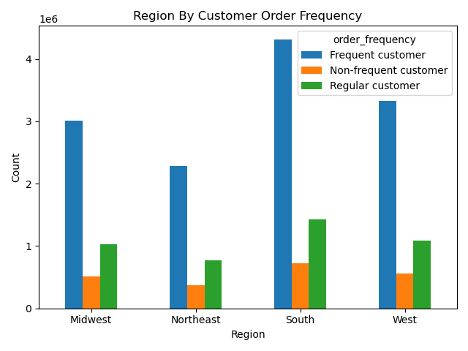
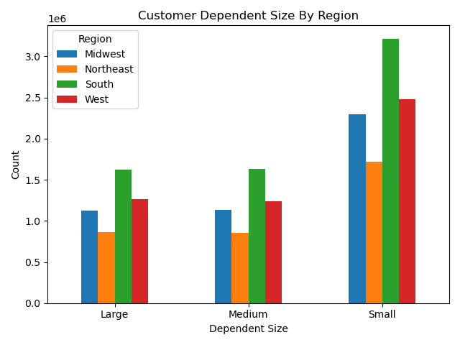
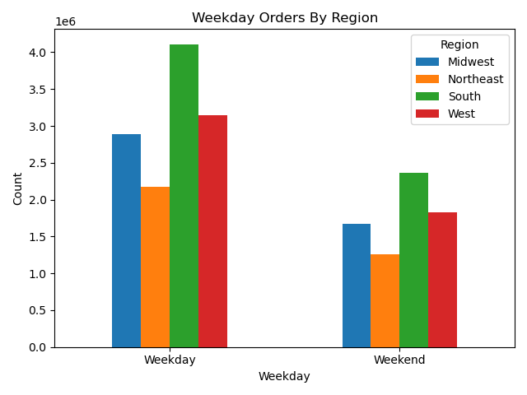
 | Title page

Visualisations

In this tab you should include all the visualtions from Exercises 4.9 and 4.10, alongside the questions from the project brief that they answer. Include any commentary on the relationship between different variables.

4.9 #3: Create a histogram of the “order_hour_of_day” column.


4.9 #4: Create a bar chart from the “loyalty_flag” column.


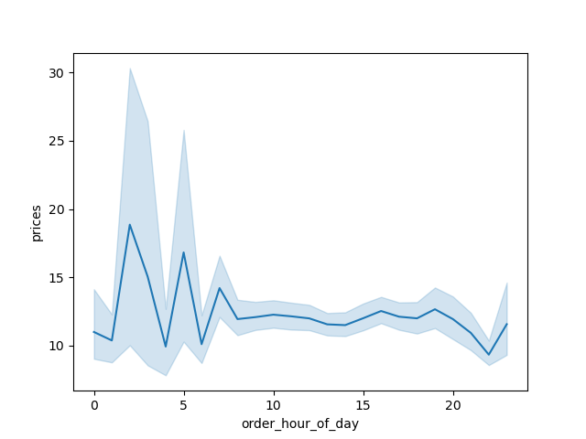
4.9 #5: Check whether there’s a difference in expenditure (the “prices” column) depending on the hour of the day.
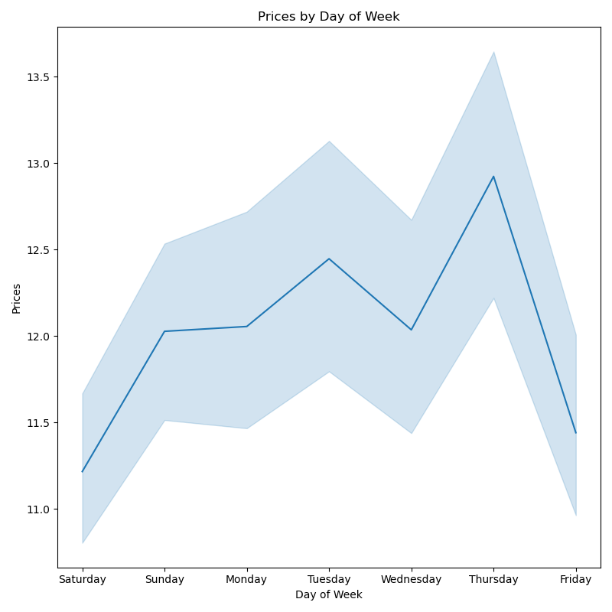

4.9 #6: Create a line chart exploring the connections between age and number of dependents
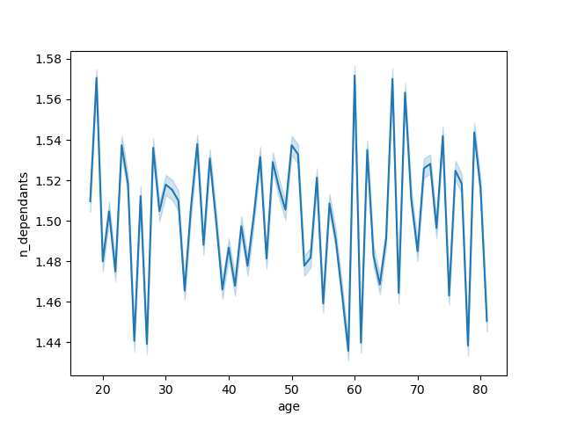
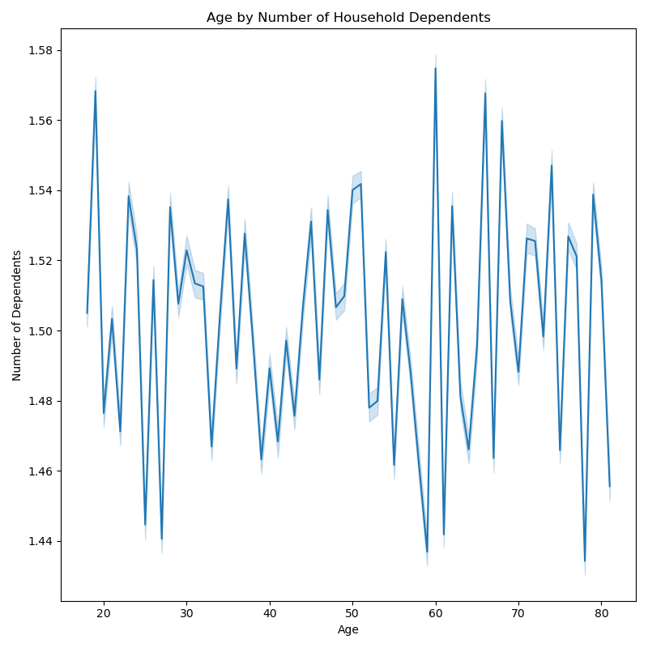

4.9 #7: Explore whether there’s a connection between age and spending power (income). Create a scatterplot.
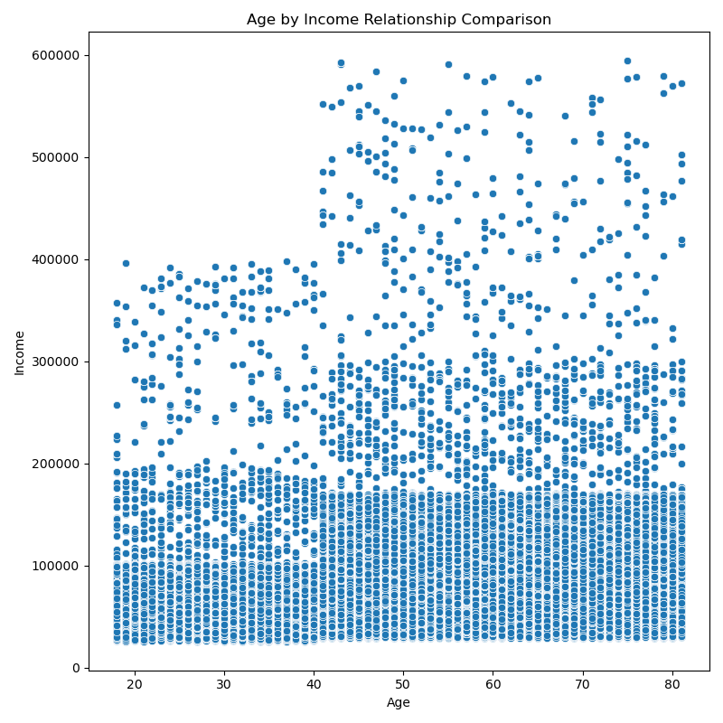

4.10 #3: Determine whether there’s a difference in spending habits between the different U.S. regions.
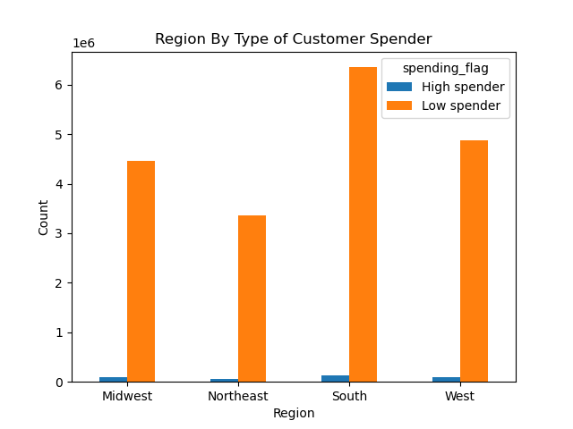
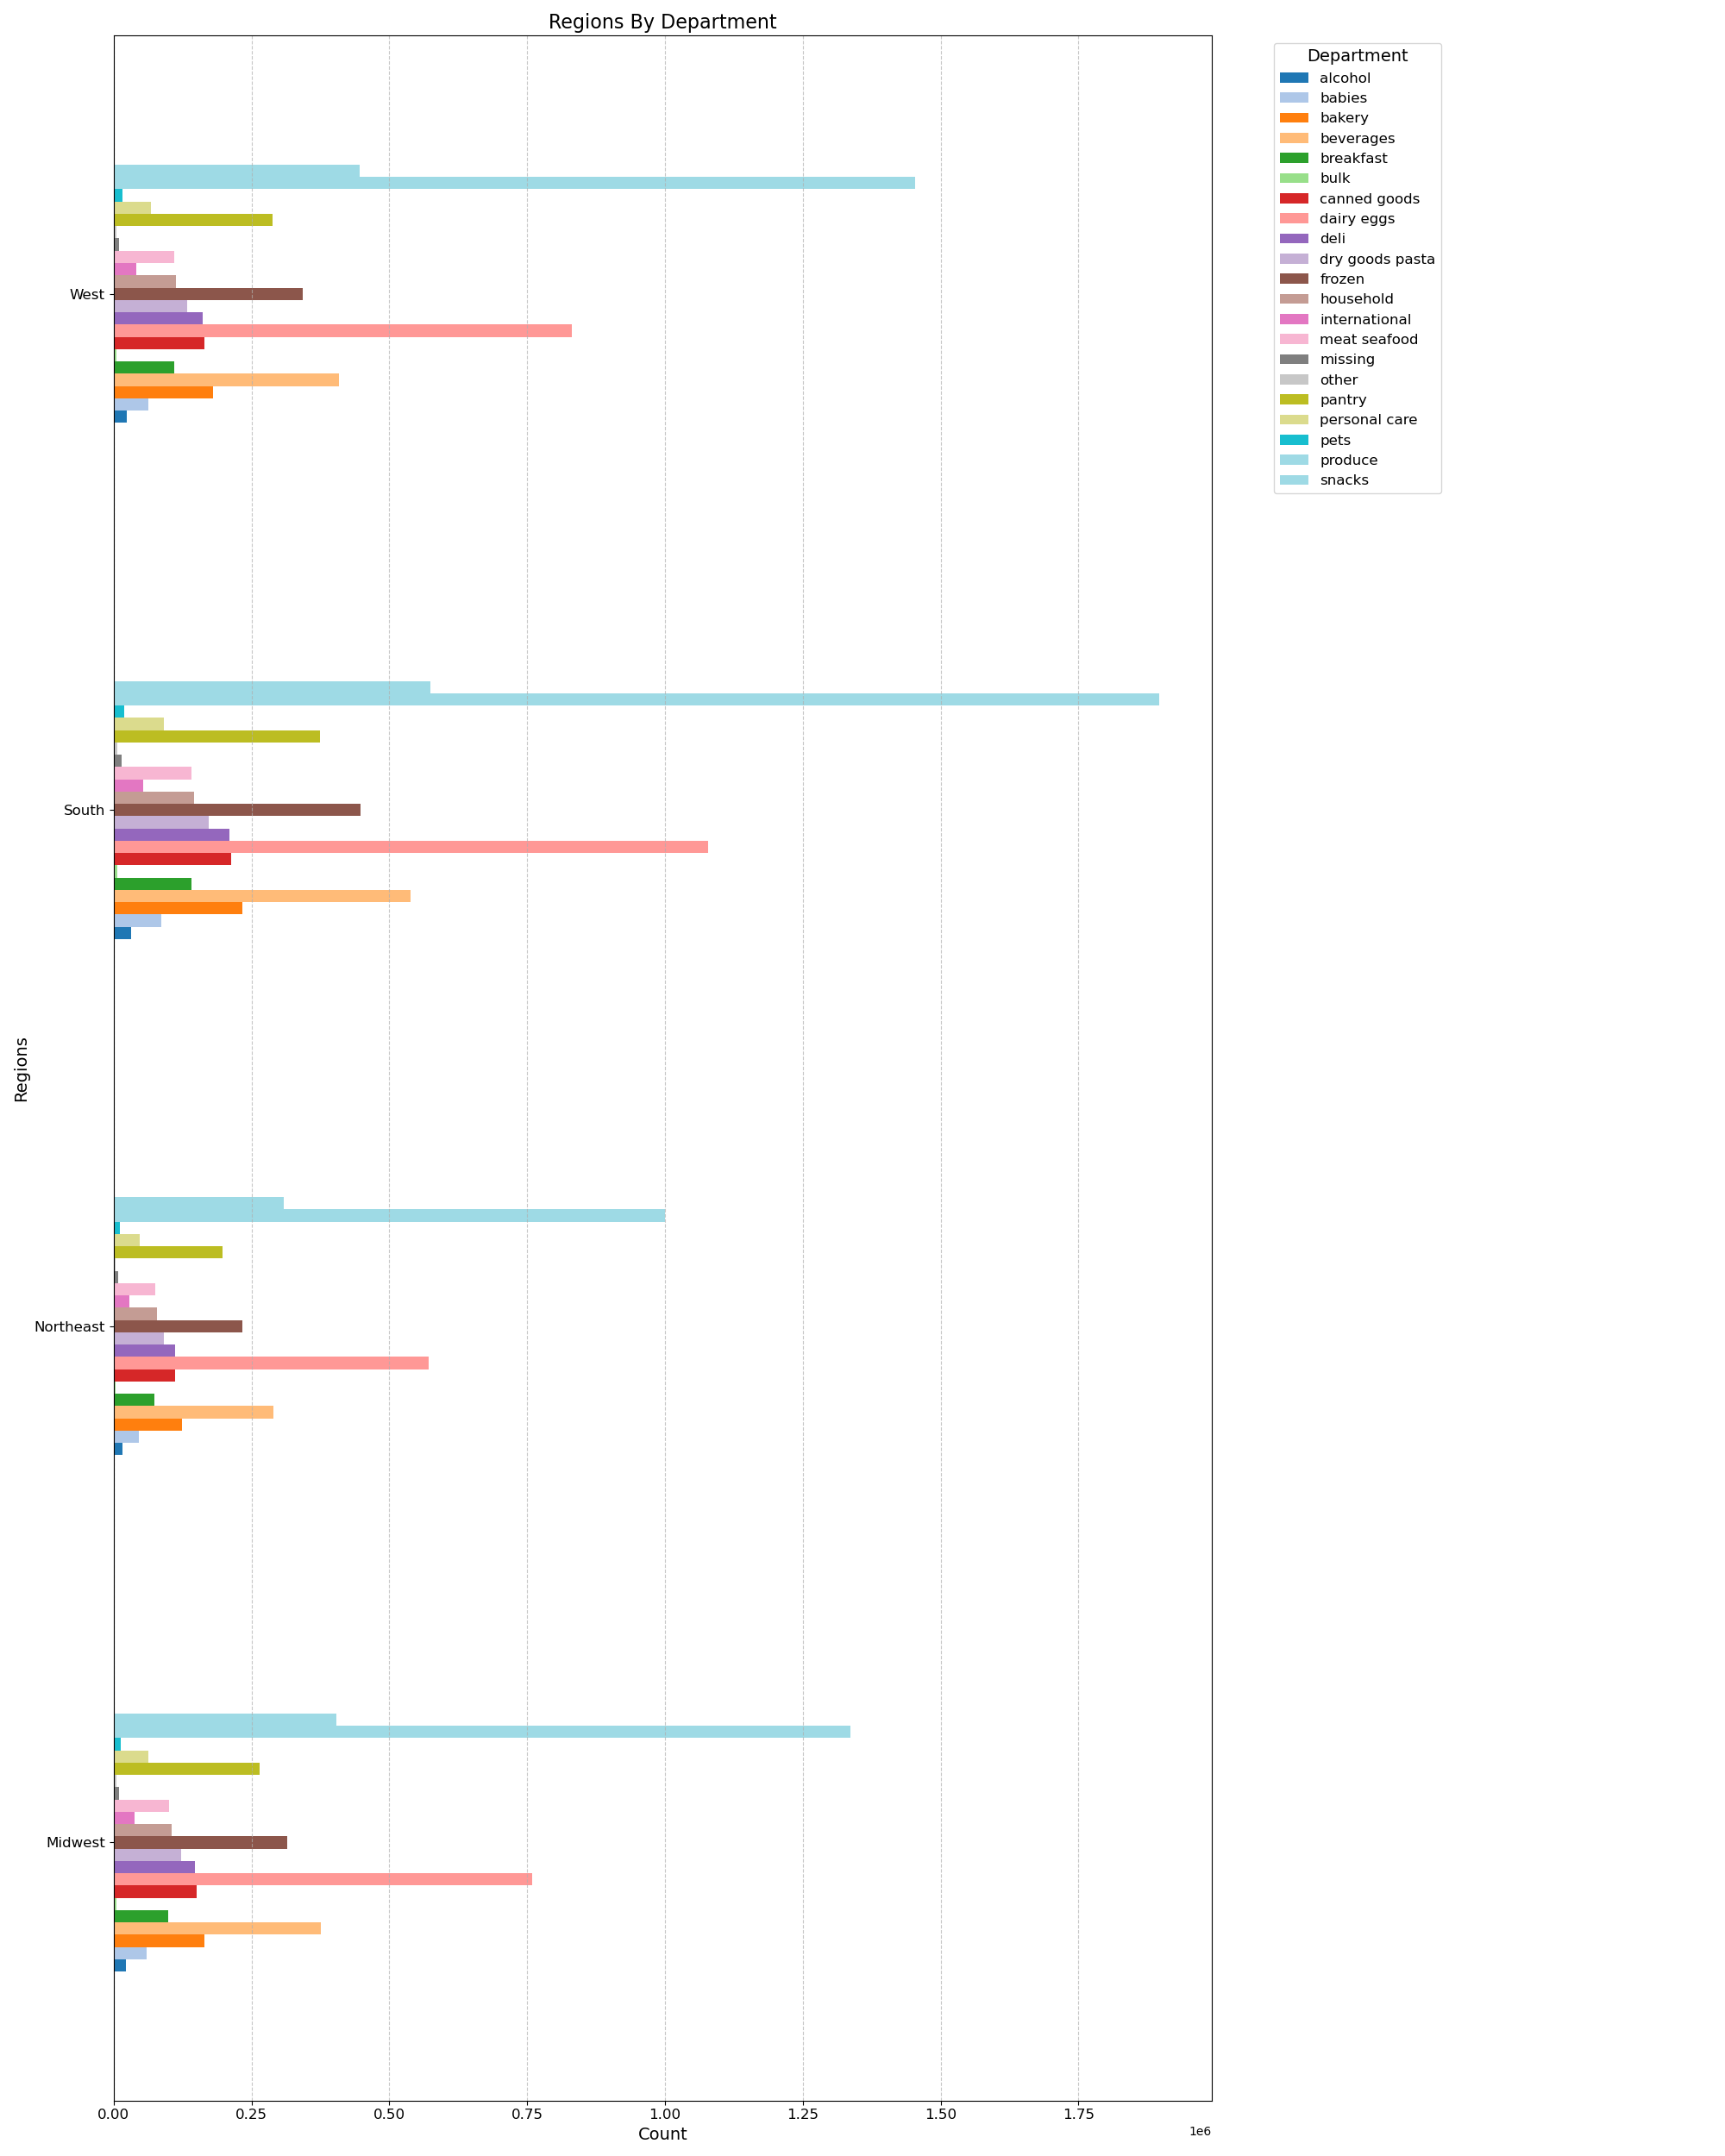
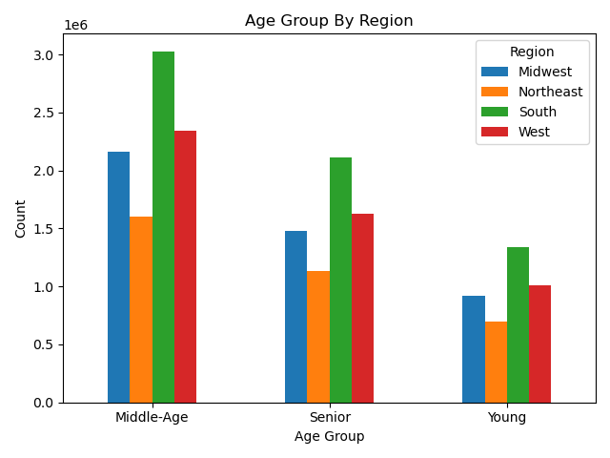

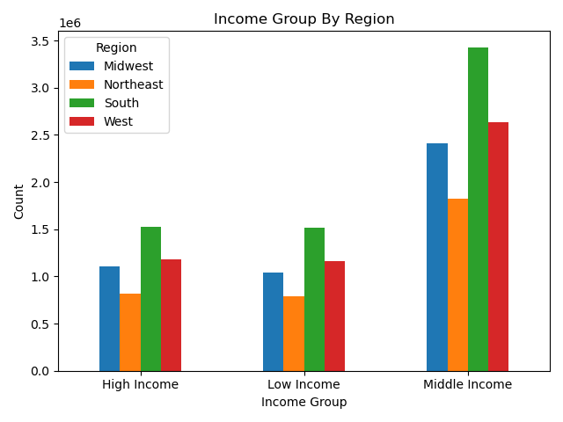
4.10 #5 and 6: Create a profiling variable based on age, income, certain goods in the “department_id” column, and number of dependents. Create an appropriate visualization to show the distribution of profiles.
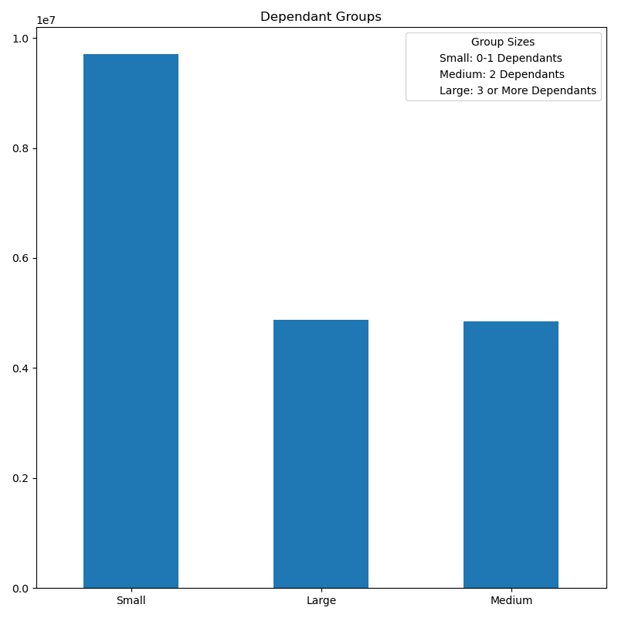
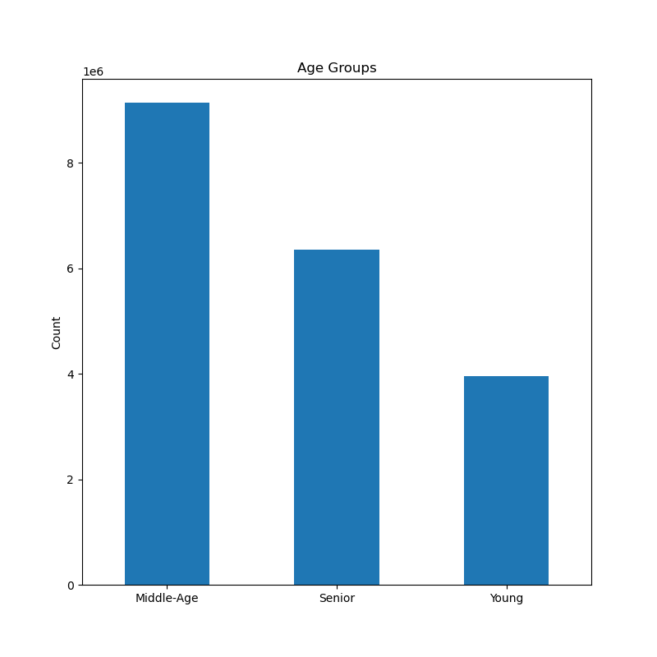

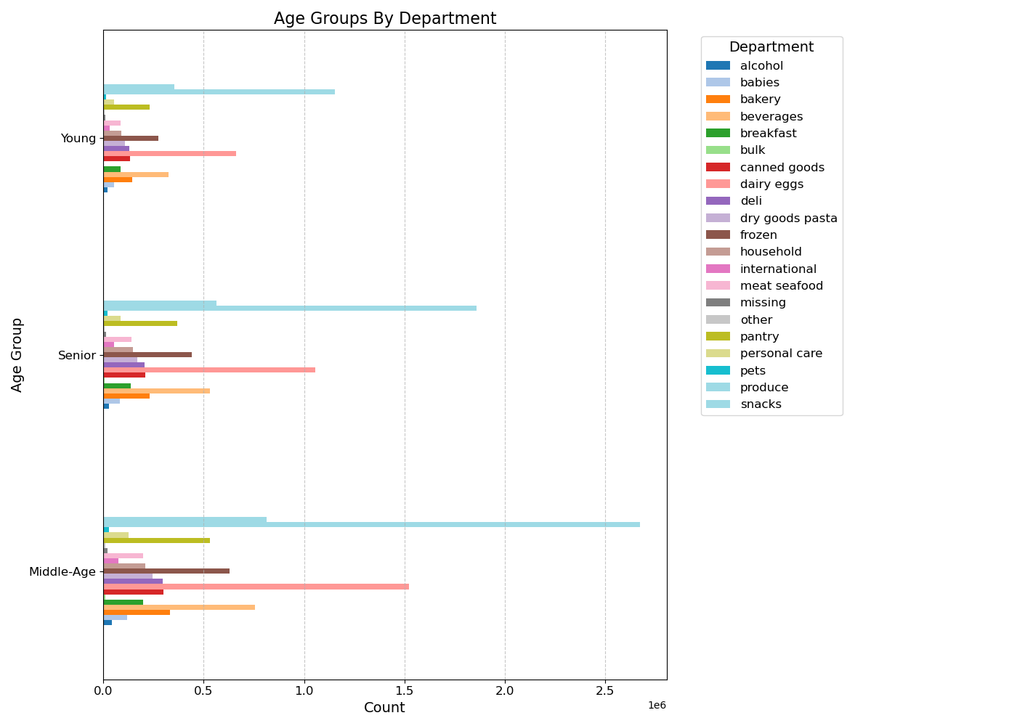
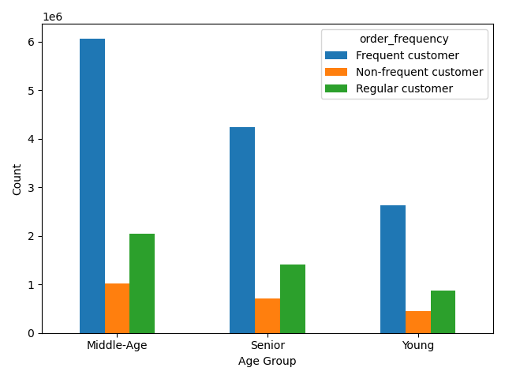

4.10 #8: Compare your customer profiles with regions and departments. Can you identify a link between them?

7. Recommendations
 |  |  | Title page

Answers to Key Questions and Recommendations

In this tab you should include any recommendations you would made to Instcart in terms of their marketing strategy based on the questions posed in the brief. Every key question has been covered in the Tasks of the Exercises - here you need to add an item - a visualisation or table/crosstable that is showing the answer in the data, acompanied by a comment from you. Please, list the questions below and add the answer underneath.

Question
Key Question 1 |  | The sales team needs to know what the busiest days of the week and hours of the day are in order to schedule ads at times when there are fewer orders.
Answer 1 |  | Saturdays and Sundays are the busiest days of the week, and between 10:00 AM and 3:00 Pm are the busiest times.
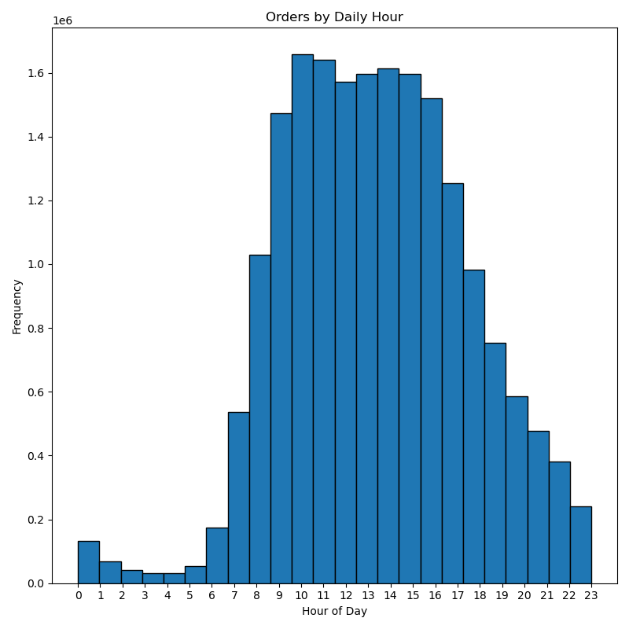
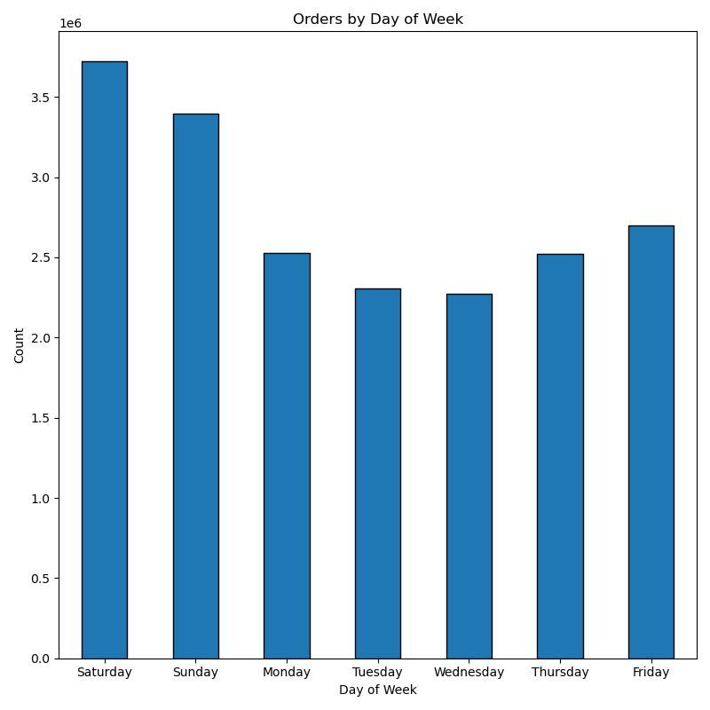

Recommendations 1
Schedule advertisements during the week late at night and early in the morning: Tuesday and Wednesday esspecially from midnight until 5:00 AM.
Offer promotions specific to days of the week.

Key Question 2 |  | Are there times of the day when people spend the most money?
Answer 2 |  | Prices are quite erratic during the day, but they seem to peak at around 4:00 AM and then at around 5:00 PM.

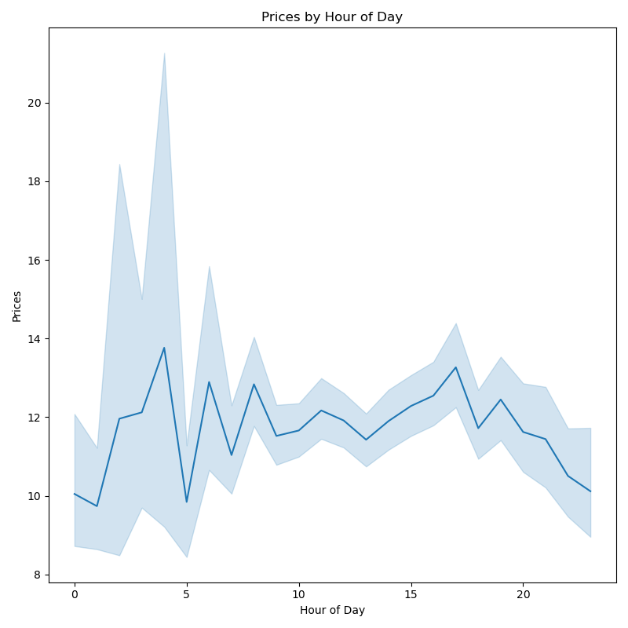

Recommendations 2
Have early morning and dinner promotions taylored to the time of day that sees the highest prices (around breakfast and dinner).

Key Question 3 |  | Marketing and sales want to use simpler price range groupings to help direct their efforts.
Answer 3 |  | Prices are mainly in the low-range. There are few mid-range or high-end products.
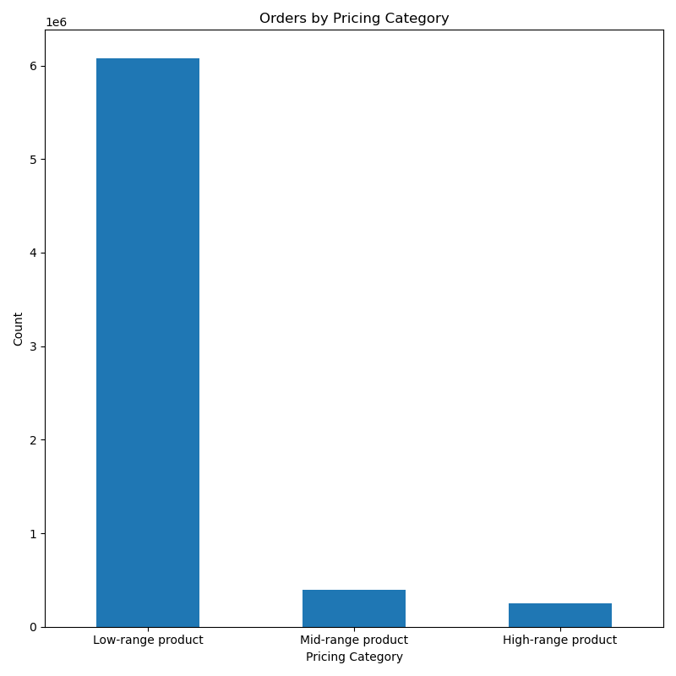

Recommendations 3
Since orders are skewed to the low end, I suggest a campaign to adjust the image of instacart to higher spending consumers.
Also, Revist pricing on mid- and high- range products to make sure they are competitively priced.
Finally, use advertising to let customers know about mid- and high- range products that instacart offers.

Key Question 4 |  | Are there certain types of products that are more popular than others?
Answer 4 |  | Produce is by far the highest. Followed by dairy and eggs, then snacks, then beverages. Pets, alcohol, and international are at the bottom.
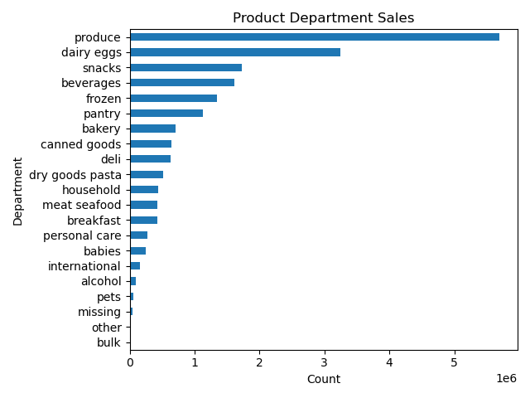

Recommendations 4
Continue to focus on groceries in advertisements, as they are driving revenue.
Survey consumers to find out why the buy produce (for example) but not pet supplies. Use the information to increase sales in these areas.
The numbers are so low in pets and alcohol, that people may not know that Instacart sells them I suggest a targeted campaign for these, because they should revenue and bring a loyal customer base.

Key Question 5 |  | What is the distribution among users regarding brand loyalty? How often do they return?
Answer 5 |  | Regular customers make up 49% of sales; loyal customers make up 31.7%; and new customers make up 19.3%.
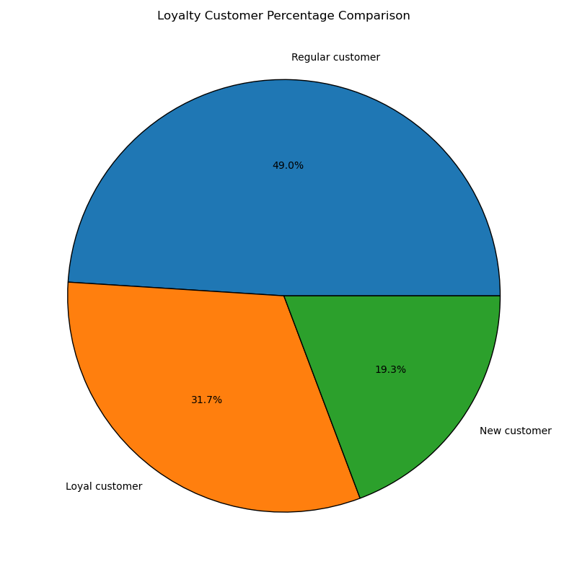

Recommendations 5
Instacart enjoys strong customer loyalty, but it can always be better. An advertising campaign to educate regular customers about the benefits of being a loyal customer may help.
Also, attracting new customers to come back with promotions aimed at making them a loyal cutomer may pay for itself.

Key Question 6 |  | Are there differences in ordering habits based on loyalty status?
Answer 6 |  | There does not appear to be a significant difference in spending habits among new, regular, and loyal customers.
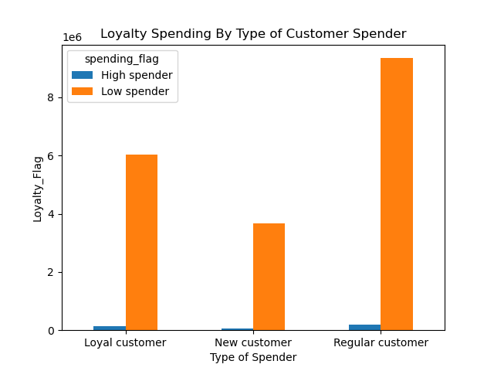

Recommendations 6
High spenders are rare among all three groups. Also, while regular customers spend more than loyal customers it may just be because there are more of them.
I recommend a stronger loyalty program. A points system may work. Also, incentives to buy higher priced items.
Regular BOGO offers appeal to many buyers as well.

Key question 7 |  | Are there differences in ordering habits based on region?
Answer 7 |  | All regions favor shopping in the afternoon, with the evening being the weekest for sales.
 |  | All regions see frequent customers driving sales, and that is not surprising at all.
 |  | The middle-aged group spends the most money. Again, that is not surprising.
 |  | Instacart's primary customer is middle income.
 |  | Most customers have a small number of dependents.
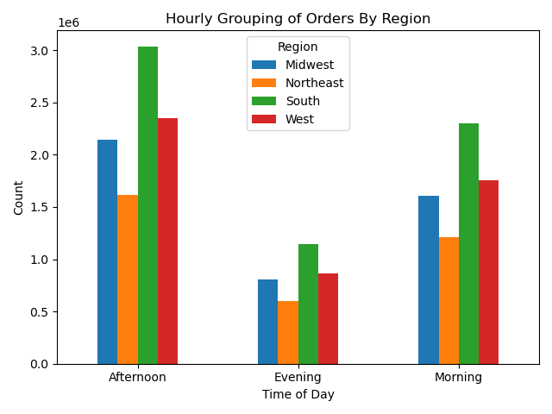

Recommendations 7
All regions showed remarkably consistent spending patterns across demographics.
A focus should be on households with either no dependents or only one. Marketing should be geared toward singles or couples.
On the other hand, since large families are not shopping at Instacart, family sized bundles may be a good way to lure them to order.
Marketing needs to be focused on middle-aged and middle-income consumers.

Key question 8 |  | Is there a connection between age and family status regarding ordering?
Answer 8 |  | Middle-aged, middle-income people with small families are the base consumer for instacart.
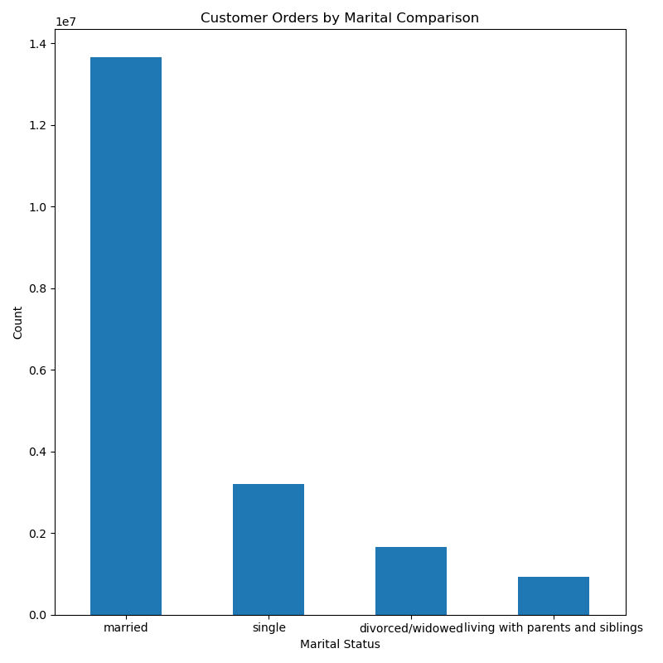

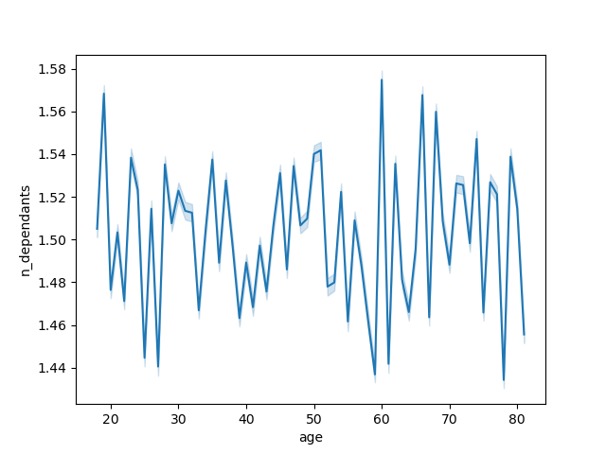

Recommendations 8
Instacart reaches middle-class singles and couples best. Continue to target what they want.
At the same time, advertise and promote to larger families as well. Instacart should be getting families to order online. Find out what drives these consumers to buy online and target marketing in that direction.

Key Question 9 |  | How does ordering change across different customer profiles?
Answer 9 |  | Middle-aged consumers make up the majority of sales in all departments. With groceries (specifically produce) being the most popular department across all age groups.

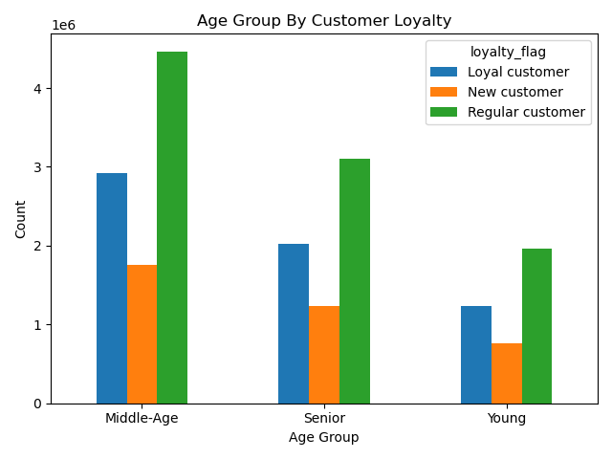

 | Recommendation 9
 | Since spending patterns are consistent across demographics and regoins, I think the best strategy is to keep marketing the same way with regards to groceries, while finding new ways to reach consumers based on other departments.
 | Explore how other online retailers reach consumers who buy pet supplies and alcohol (for example) online. Survey customers to find out why they do not make these purchases online at Instacart and address those issues.

